OSCP Tips
No. | Names | Descriptions | Links
 | The Three D's of Penetration Testing | # One Day, I'll Understand What the Third D Means 1. Don't panic 2. Don't assume 3. Don't forget to bring a towel
 | OSCP Exam Day Preparation | -Use OBS and Record at 10 FPS '-Test OBS is Functional '-Setup Exam Report Template '-Setup CherryTree Template '-Contact Offsec to Test Equipments
 | OSCP Reviews, Tips and Tricks | Hints: 1. Enum services other than the Web Service first, other services requires less time for enumeration, thus leaving the most time consuming service last 2. Look for things that are non-default or odd Note: do a live comparison against your own machine | https://dk-infotech.com/2019/07/21/oscp-experience-and-tips/ https://kindredsec.com/2019/07/17/oscp-blog-exam-attempt-review/ https://apt29a.blogspot.com/2019/08/my-journey-to-oscp.html https://forum.hackthebox.eu/discussion/1730/a-script-kiddie-s-guide-to-passing-oscp-on-your-first-attempt https://medium.com/@Tib3rius/59-hosts-to-glory-passing-the-oscp-acf0fd384371 https://411hall.github.io/OSCP-Preparation/ https://www.netsecfocus.com/oscp/2019/03/29/The_Journey_to_Try_Harder-_TJNulls_Preparation_Guide_for_PWK_OSCP.html
 | OSCP Exam Day Guide | • Take it easy! You got 24 hours, no need to hurry • Every 2 hours switch machine, don't get stuck on one machine • When stuck, try to restart the information gathering process, check your scans again and make sure you didn't miss anything • Make sure that you take enough breaks to get a coffee or some food. I got some of my best idea's during a break, after each break my notebook contained at least 10 things which I wanted to try • Install software such as f.lux on your machine which colors your display yellow during night time. Can save a lot of headache when looking for more then 20 hours at your monitor • TRY harder! | https://www.reddit.com/r/AskNetsec/comments/827y3n/i_have_failed_the_oscp_5_times/
 | Cheat Sheets |  | https://medium.com/oscp-cheatsheet/oscp-cheatsheet-6c80b9fa8d7e https://sushant747.gitbooks.io/total-oscp-guide/?source=post_page-----4fff90a8d408---------------------- https://github.com/wwong99/pentest-notes/blob/master/oscp_resources/OSCP-Survival-Guide.md http://www.0daysecurity.com/penetration-testing/enumeration.html https://github.com/swisskyrepo/PayloadsAllTheThings/blob/master/Methodology%20and%20Resources/Linux%20-%20Privilege%20Escalation.md https://github.com/swisskyrepo/PayloadsAllTheThings/blob/master/Methodology%20and%20Resources/Windows%20-%20Privilege%20Escalation.md
 | Buffer Overflow Practice | Windows ---------------- MiniShare 1.4.1 WarFTPD 1.6.5 SLMail HP Power Manager Administration Universal Buffer Overflow Exploit FreeFloatFTP Server 1.0 Savant 3.1 dostackbufferoverflowgood Allied Telesyn TFTP (AT-TFTP) Server/Daemon 1.9 Linux --------------- Crossfire | https://www.vortex.id.au/2017/05/pwkoscp-stack-buffer-overflow-practice/
 | Some Help When You're Stuck | 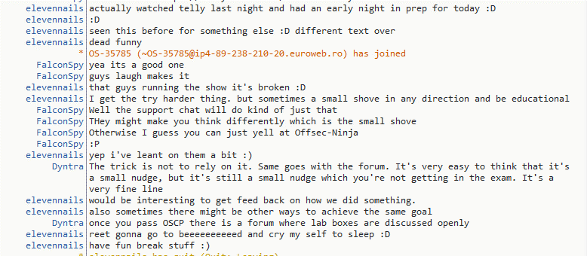 # Try Harder https://www.youtube.com/watch?v=6Aw0yOMBbiY

Windows Directory Structure
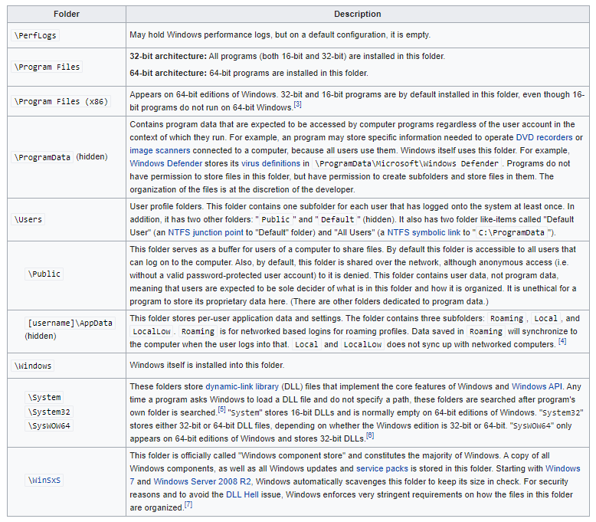
Windows Directory Structure | https://en.wikipedia.org/wiki/Directory_structure

Linux Directory Structure
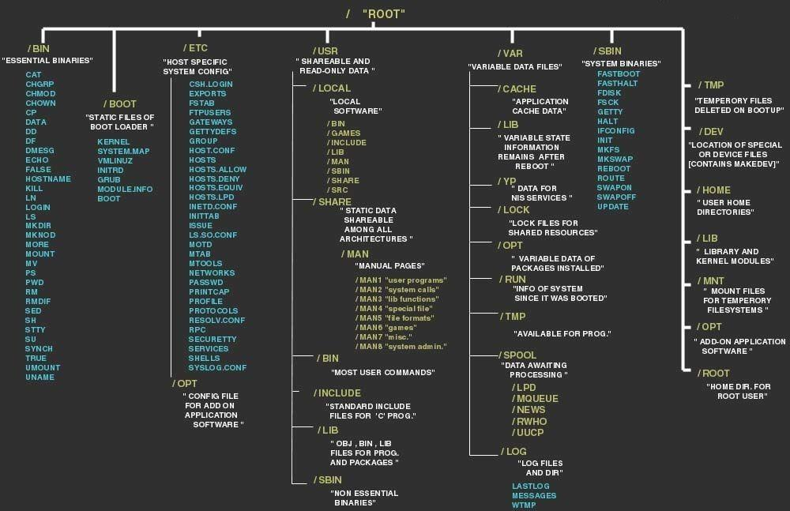
Linux Directory Structure | https://guide.offsecnewbie.com/privilege-escalation/linux-pe

Privilege Escalation - Mindmap
